Flow MASTER
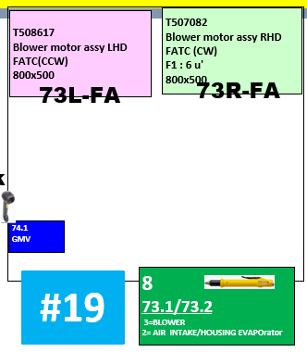
Master Flow
Station | No. | Location (Sequence No.) | Component / Machine | Part No. | RHD/LHD | Description | Machine |  |  |  |  |  |  |  | Spare
 |  |  |  |  |  |  | Picking | Scanner | Screw | PLC | Input | Output | ASI No | Port | ASI No | Port
1 | 1 |  | Scanner #1 |  |  | Scan to select model HVAC Barcode on Barflow monitor |  | #1
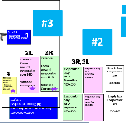
3 | 2 | 2R | Foam around evaporator core RHD | T508278 | RHD | Pick up Component | #1 |  |  |  | D446.2 | D410.2 | 5 | 3 | 5 | 4
 | 3 | 2L | Foam around evaporator core LHD | T508621 | LHD | Pick up Component | #2 |  |  |  | D446.0 | D410.0 | 5 | 1
 | 4 |  | Fixture lining |  | Change over | Machine Available |  |  |  | Start
 | 5 | 4 | Pick up Evaporator sensor | T653315 | Change over | Pick up Component | #3 |  |  |  | D446.1 | D410.1 | 5 | 2
 | 6 |  | Scanner #2 |  |  | Scan Evaporator label Tracability T508278/T508621 |  | #2
 | 7 |  | Scanner #2 |  |  | Scan Evaporator sensor on packing barcode label Tracability T653315 |  | #2
 | 8 |  | Fixture lining |  | Common | Machine Done |  |  |  | Done
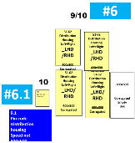
5 | 9 | 5R | Insulation evap flange Box R-side | T508216 | RHD | Pick up Component | #4
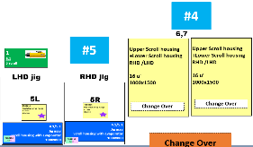
 | 10 | 5L | Insulation evap flange Box L-side | T508216 | LHD | Pick up Component | #5
 | 11 |  | Fixture Scroll Pressing |  | Change over | Machine Available |  |  |  | Start
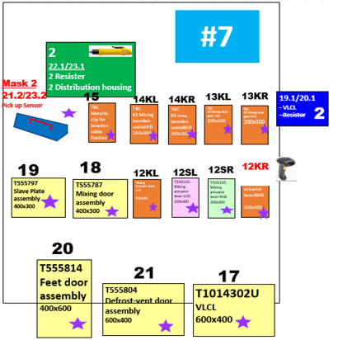
 | 12 |  | Fixture Scroll Pressing |  | Change over | Machine Done |  |  |  | Done
 | 13 |  | Screw driver #1 | 985443G | Common | Tightening screw |  |  | #1 , 5 time
6.1 | 14 |  | Fixture Pin code , Assy Speed nut , Greasing |  | Change over | Machine Available |  |  |  | Start
 | 15 |  | Fixture Pin code , Assy Speed nut , Greasing |  | Change over | Machine Done |  |  |  | Done
7 | 16 | 12S-R | Mixing actuator lever RHD | T509105 |  | Pick up Component | #6 |  |  |  | D445.A | D409.A | 3 | 3
 | 17 | 12S-L | Mixing actuator lever LHD | T646114 |  | Pick up Component | #7 |  |  |  | D452.6 | D416.6 | 28 | 3
 | 18 | 12K-R | KS Mixing command lever RHD | TBC |  | Pick up Component | #8 |  |  |  | D445.B | D409.B | 3 | 4
 | 19 | 12K-L | KS Mixing command lever LHD | TBC |  | Pick up Component | #9 |  |  |  | D447.B | D411.B | 11 | 4
 | 20 | 13K-R | KS Mixing door gear RHD | TBC |  | Pick up Component | #13 |  |  |  | D445.C | D409.C | 2 | 1
 | 21 | 13K-L | KS Mixing door gear LHD | TBC |  | Pick up Component | #14 |  |  |  | D445.D | D409.D | 2 | 2
 | 22 | 14K-R | KS Mixing bowden cable RHD | TBC |  | Pick up Component | #15
 | 23 | 14K-L | KS Mixing bowden cable LHD | TBC |  | Pick up Component | #16 |  |  |  | D452.5 | D416.5 | 28 | 2
 | 24 | 15 | Metallic clip for bowden cable fixation | F667086Z | Common | Pick up Component | #17 |  |  |  | D452.4 | D416.4 | 28 | 1
 | 25 | 17 | VLCL | T1014302U | Common | Pick up Component | #18 |  |  |  | D445.8 | D409.8 | 3 | 1
 | 26 |  | Scanner #3 |  |  | Scan on VLCL label Tracability T1014302U |  | #3
 | 27 | 18 | Mixing door assembly | T555787 | Common | Pick up Component | #19 |  |  |  | D447.8 | D411.8 | 11 | 1
 | 28 | 19 | Slave Plate door assembly | T555797 | Common | Pick up Component | #20 |  |  |  | D448.4 | D412.4 | 12 | 1
 | 29 | 20 | Feet door assembly | T555814 | Common | Pick up Component | #21 |  |  |  | D447.A | D411.A | 11 | 3
 | 30 | 21 | Defrost-vent door assembly | T555804 | Common | Pick up Component | #22 |  |  |  | D447.9 | D411.9 | 11 | 2
 | 31 |  | Mask #2 |  |  | Pick up Mask #2 | #23 |  |  |  | D448.5 | D412.5 | 12 | 2
 | 32 |  | Screw driver #2 | 985443G |  | Tightening screw |  |  | #2 , 5 time
 | 33 |  | Mask #2 |  |  | Return Mask #2 | #23 |  |  |  | D448.5 | D412.5 | 12 | 2
8 | 34 | 24R | Defrost-vent lever RHD | T509046 | RHD | Pick up Component | #24 |  |  |  | D446.F | D410.F | 6 | 4 | 29 | 3
 | 35 | 24L | Defrost-vent lever LHD | T509061 | LHD | Pick up Component | #25 |  |  |  | D446.E | D410.E | 6 | 3 | 29 | 4
 | 36 | 25R | Defrost-vent door gear RHD | T509048 | RHD | Pick up Component | #26 |  |  |  | D446.D | D410.D | 6 | 2
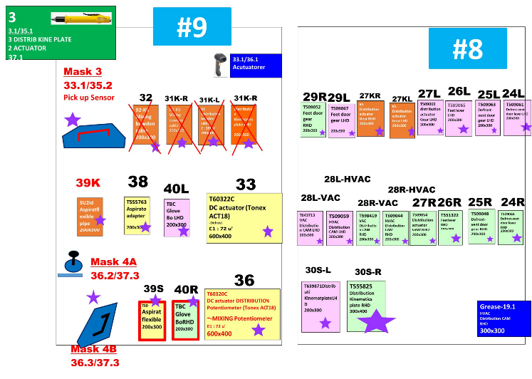
B1
B2
B3
B4
 | 37 | 25L | Defrost-vent door gear LHD | T509063 | LHD | Pick up Component | #27 |  |  |  | D446.C | D410.C | 6 | 1
 | 38 | 26R | Feet lever RHD | T551322 | RHD | Pick up Component | #28 |  |  |  | D446.B | D410.B | 7 | 4
 | 39 | 26L | Feet lever LHD | T509065 | LHD | Pick up Component | #29 |  |  |  | D446.A | D410.A | 7 | 3
 | 40 | 27S-R | Distribution actuator Gear LHD | T509069 |  | Pick up Component | #30 |  |  |  | D446.9 | D410.9 | 7 | 2
 | 41 | 27S-L | Distribution actuator Gear RHD | T509054 |  | Pick up Component | #31 |  |  |  | D446.8 | D410.8 | 7 | 1
 | 42 | 27K-R | KS Distribution actuator Gear RHD | T559873 |  | Pick up Component | #32 |  |  |  | D447.E | D411.E | 10 | 3
 | 43 | 27K-L | KS Distribution actuator Gear LHD | TBC |  | Pick up Component | #33 |  |  |  | D447.F | D411.F | 10 | 4
 | 44 | 28R-HVAC | HVAC Distribution CAM RHD | T509044 | RHD | Pick up Component | #34 |  |  |  | D447.C | D411.C | 10 | 1
 | 45 | 28R-VAC | VAC Distribution CAM RHD | T598419 | RHD | Pick up Component | #35 |  |  |  | D447.D | D411.D | 10 | 2
 | 46 | 28L-HVAC | HVAC Distribution CAM LHD | T509059 | LHD | Pick up Component | #36 |  |  |  | D447.7 | D411.7 | 8 | 4
 | 47 | 28L-VAC | VAC Distribution CAM LHD | T643713 | LHD | Pick up Component | #37 |  |  |  | D447.4 | D411.4 | 8 | 1
 | 48 |  | Fixture Auto Apply grease on Cam gear |  | Change over |  |  |  |  | Start
 | 49 |  | Fixture Auto Apply grease on Cam gear |  | Change over |  |  |  |  | Done
 | 50 | 29R | Feet door gear RHD | T509052 | RHD | Pick up Component | #38 |  |  |  | D447.5 | D411.5 | 8 | 2
 | 51 | 29L | Feet door gear LHD | T509067 | LHD | Pick up Component | #39 |  |  |  | D447.6 | D411.6 | 8 | 3
 | 52 | 30S-R | Distribution Kinematics plate RHD | T555825 | RHD | Pick up Component | #40 |  |  |  | D452.0 | D416.0 | 29 | 1
 | 53 | 30S-L | Distribution Kinematics plate LHD | T639871 | LHD | Pick up Component | #41 |  |  |  | D452.1 | D416.1 | 29 | 2
9 | 54 | B1 | Blank #1 |  |  |  | #42 |  |  |  | D451.5 | D415.5 | 24 | 2 | 20 | 4
 | 55 | B2 | Blank #2 |  |  |  | #43 |  |  |  | D451.6 | D415.6 | 24 | 3 | 21 | 2
 | 56 | B3 | Blank #3 |  |  |  | #44 |  |  |  | D450.D | D414.D | 22 | 2
 | 57 | B4 | Blank #4 |  |  |  | #45 |  |  |  | D450.C | D414.C | 22 | 1
 | 59 | 33 | DC actuator DISTRIBUTION Potentiometer (Tonex ACT18)T60322C | T60320C | Common | Pick up Component | #48 |  |  |  | D451.7 | D415.7 | 24 | 4
 | 60 |  | Scanner #4 |  |  | Scan actuator label Tracability T60320C |  | #4
 | 61 |  | Mask #3 |  |  | Pick up Mask #3 | #49 |  |  |  | D450.4 | D414.4 | 20 | 1
 | 62 |  | Screw driver #3 | 985443G |  | Tightening screw |  |  | #3 , 2 time |  | D450.6 | D414.6 | 20 | 3
 | 63 |  | Screw driver #3 | 985443G |  | Tightening screw |  |  | #3 , 3 time |  | D450.6 | D414.6 | 20 | 3
 | 64 |  | Mask #3 |  |  | Return up Mask #3 | #49 |  |  |  | D450.4 | D414.4 | 20 | 1
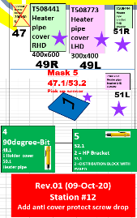
 | 65 | 36 | DC actuator MIXING Potentiometer (Tonex ACT18) | T60322C |  | Pick up Component | #50 |  |  |  | D451.4 | D415.4 | 24 | 1
 | 66 |  | Scanner #4 |  |  | Scan actuator label Tracability T60322C |  | #4
 | 67 |  | Mask #4 A&B |  |  | Pick up Mask #4 A&B | #51 |  |  |  | D450.5 | D414.5 | 20 | 2
 | 68 |  | Screw driver #3 |  |  | Tightening screw |  |  | #3 , 2 time |  | D450.6 | D414.6 | 20 | 3
 | 69 |  | Mask #4 A&B |  |  | Return Mask #4 A&B | #51 |  |  |  |  |  | 20 | 2
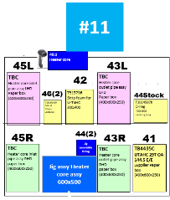
 | 70 | 38 | Aspirator adater | T555763 | Common | Pick up Component | #52 |  |  |  | D450.2 | D414.2 | 21 | 3
 | 71 | 39S | SU2id Aspirator flexible pipe |  |  | Pick up Component | #53 |  |  |  | D450.0 | D414.0 | 21 | 1
 | 72 | 39K | KS Aspirator flexible pipe |  |  | Pick up Component | #54 |  |  |  | D450.3 | D414.3 | 21 | 4
 | 73 | 40R | Glove Box cooling channel assy RHD | T594925 | RHD | Pick up Component | #55 |  |  |  | D450.E | D414.E | 22 | 3
 | 74 | 40L | Glove Box cooling channel assy LHD | TBC | LHD | Pick up Component | #56 |  |  |  | D450.F | D414.F | 22 | 4
10 | 75 |  | Mix door checker or Flap test movment |  | Change over | Machine Available |  |  |  | Start
 | 76 |  | Mix door checker or Flap test movment |  | Change over | Machine Done |  |  |  | Done
11 | 77 |  | Scanner #5 |  |  | Scan heater label |  | #5
 | 78 |  | Fixture Assy Heater Core Assy |  |  | Machine Available |  |  |  | Start
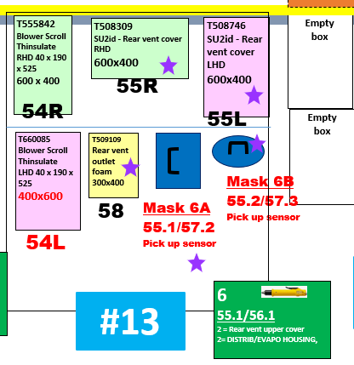
 | 79 |  | Fixture Assy Heater Core Assy |  |  | Machine Done |  |  |  | Done
12 | 80 |  | Mask #5 |  |  | Pick up Mask #5 | #57 |  |  |  | D449.3 | D413.3 | 17 | 4
 | 81 | 49R | Heater pipe cover RHD | T508441 | RHD | Pick up Component | #58 |  |  |  | D449.C | D413.C | 18 | 1
 | 82 | 49L | Heater pipe cover LHD | T508773 | LHD | Pick up Component | #59 |  |  |  | D449.0 | D413.0 | 17 | 1
 | 83 |  | Screw driver #4 | 985443G |  | Tightening screw |  |  | #4 , 1 time |  | D449.E | D413.E | 18 | 3
 | 84 | 51R | Heater pipe bracket RHD | T508444 | RHD | Pick up Component | #60 |  |  |  | D449.2 | D413.2 | 17 | 3
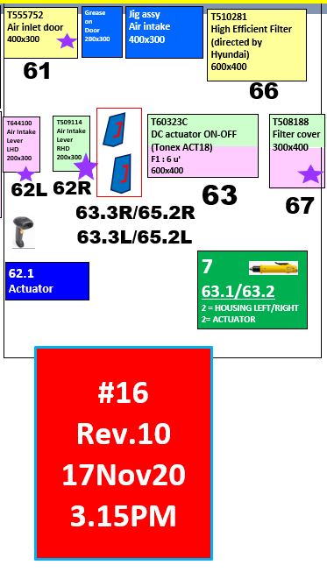
 | 85 | 51L | Heater pipe bracket LHD | T508769 | LHD | Pick up Component | #61 |  |  |  | D449.1 | D413.1 | 17 | 2
 | 86 |  | Screw driver #5 | 985443G |  | Tightening screw |  |  | #5 , 2 time |  | D451.C | D415.C | 26 | 1
 | 87 |  | Screw driver #5 | 985443G |  | Tightening screw |  |  | #5 , 4 time |  |  |  | 26 | 1
 | 88 |  | Mask #5 |  |  | Return Mask #5 | #57 |  |  |  | D449.3 | D413.3 | 17 | 4
13 | 89 | 54R | Blower Scroll Thinsulate RHD 40 x 190 x 525 | T555842 | RHD | Pick up Component | #62 |  |  |  | D447.1 | D411.1 | 9 | 2
 | 90 | 54L | Blower Scroll Thinsulate LHD 40 x 190 x 525 | T660085 | LHD | Pick up Component | #63 |  |  |  | D447.0 | D411.0 | 9 | 1
 | 91 |  | Mask #6A |  |  | Pick up Mask #6A | #64 |  |  |  | D447.3 | D411.3 | 9 | 4
 | 92 |  | Mask #6B |  |  | Pick up Mask #6B | #65 |  |  |  | D448.F | D412.F | 14 | 4
 | 93 | 56 | Screw driver #6 | 985443G |  | Tightening screw |  |  | #6 , 5 time |  | D448.C | D412.C | 14 | 1
 | 94 | 57 | Screw driver #6 | 985443G |  | Tightening screw |  |  | #6 , 2 time |  | D448.C | D412.C | 14 | 1
 | 95 |  | Mask #6A |  |  | Return Mask #6A | #64 |  |  |  | D447.3 | D411.3 | 9 | 4
 | 96 |  | Mask #6B |  |  | Return Mask #6B | #65 |  |  |  | D448.F | D412.F | 14 | 4
 | 97 | 58 | Rear vent outlet foam | T509109 |  | Pick up Component | #66 |  |  |  | D447.2 | D411.2 | 9 | 3
16 |  | 61 | SU2id Air inlet door assembly | T555752 |  |  | #67 |  |  |  | D448.0 | D412.0 | 13 | 1
 |  | 62R | Air Intake Actuator Lever RHD | T509114 | RHD |  | #68 |  |  |  | D448.1 | D412.1 | 13 | 2
 |  | 62L | Air Intake Actuator Lever LHD | TBC | LHD |  | #69 |  |  |  | D448.2 | D412.2 | 13 | 3
 |  |  | Scanner #6 |  |  | Scan DC actuator label Tracability T60323C |  | #6
 |  |  | Mask #7 |  |  | Pick up Mask #7 | #70 |  |  |  | D448.3 | D412.3 | 13 | 4
 |  |  | Screw driver #7 | 985443G |  | Tightening screw |  |  | #7 , 3 time |  | D451.0 | D415.0 | 25 | 1
 |  |  | Screw driver #7 | 985443G |  | Tightening screw |  |  | #7 , 2 time |  | D451.0 | D415.0 | 25 | 1
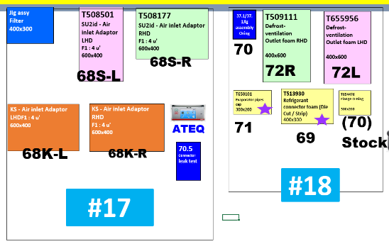
 |  |  | Mask #7 |  |  | Return Mask #7 | #70 |  |  |  | D448.3 | D412.3 | 13 | 4
 |  | 67 | Filter cover --> sequence link to station 17 | T508188 |  |  | #71 |  |  |  | D451.2 | D415.2 | 25 | 3
17 |  |  | Fixture Assy Filter |  |  | Machine Available |  |  |  | Start
 |  |  | Fixture Assy Filter |  |  | Machine Done |  |  |  | Done
 |  |  | Screw driver #7 | 985443G |  | Tightening screw |  |  | #7 , 1 time |  | D451.0 | D415.0 | 25 | 1
 |  |  | Air leak testing |  |  | Machine Available |  |  |  | Start
 |  |  | Air leak testing |  |  | Machine Done |  |  |  | Done
18 |  | 69 | Refrigerant connector foam (Die Cut / Strip) | T513930 |  |  | #72 |  |  |  | D446.4 | D410.4 | 4 | 1
 |  |  | Fixture Assy O-ring | T654476 |  | Machine Available |  |  |  | Start
 |  |  | Fixture Assy O-ring | T654476 |  | Machine Done |  |  |  | Done
 |  | 71 | Evaporator pipes cap | T650101 |  |  | #73 |  |  |  | D446.5 | D410.5 | 4 | 2
19 |  |  | Scanner #7 |  |  | Scan Blower motor assy Tracability T507082/T508617 |  | #6
 |  |  | Screw driver #8 | 985443G |  | Tightening screw |  |  | #8 , 3 time |  | D449.8 | D413.8 | 19 | 1
 |  |  | Screw driver #8 | 985443G |  | Tightening screw |  |  | #8 , 2 time |  | D449.8 | D413.8 | 19 | 1
20 |  |  | EOL tester |  |  | Machine Available |  |  |  | Start
 |  |  | EOL tester |  |  | Machine Done |  |  |  | Done
22 |  | 76R | Drain hose assy RHD | T643964 |  |  | #74 |  |  | Start | D445.0 | D409.0 | 1 | 1
 |  | 76L | Drain hose assy LHD | T659710 |  |  | #75 |  |  | Done | D445.1 | D409.1 | 1 | 2
21 |  |  | Vision Check |  |  | Machine Available |  |  |  | Start
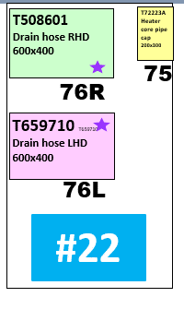
 |  |  | Vision Check |  |  | Machine Done |  |  |  | Done

Flow
Master Flow

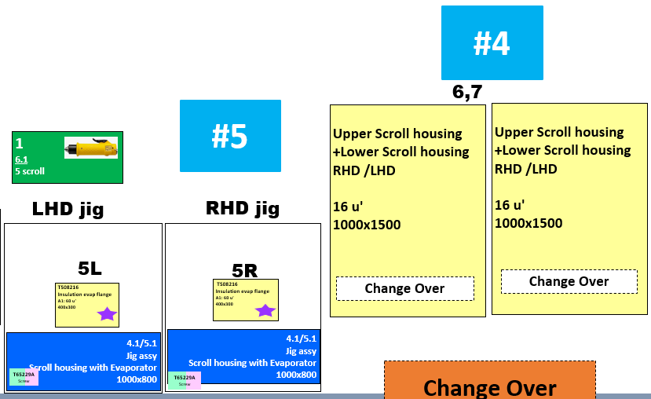
Customer part number |  |  |  |  |  |  |  |  |  |  |  |  |  |  |  | 
Valeo part number
Station | No. | Location (Sequence No.) | Component / Machine | Part No. | RHD/LHD | Description | Machine |  |  |  | PLC
 |  |  |  |  |  |  | Picking | Scanner | Screw | PLC | P/N | Input | Output | ASI No | Port
1 | 1 |  | Scanner #1 |  |  | Scan to select model HVAC Barcode on Barflow monitor |  | #1
3 | 2 | 2R | Foam around evaporator core RHD | T508278 | RHD | Pick up Component | #1
 | 3 | 2L | Foam around evaporator core LHD | T508621 | LHD | Pick up Component | #2
 | 4 |  | Fixture lining |  | Change over | Machine Available |  |  |  | Start
 | 5 | 4 | Pick up Evaporator sensor | T653315 | Change over | Assy sensor with Evap | #3
 | 6 |  | Scanner #2 |  |  | Scan Evaporator label Tracability T508278/T508621 |  | #2
 | 7 |  | Scanner #2 |  |  | Scan Evaporator sensor on packing barcode label Tracability T653315 |  | #2
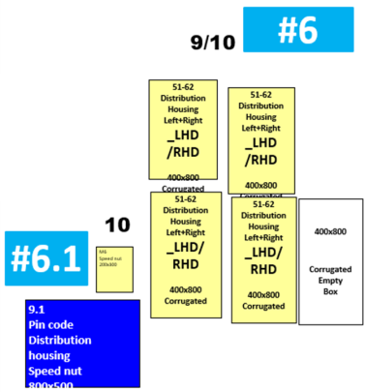
 | 8 |  | Fixture lining |  | Common | Machine Done |  |  |  | Done
5 | 9 | 5R | Insulation evap flange Box R-side | T508216 | RHD | Pick up Component | #4
 | 10 | 5L | Insulation evap flange Box L-side | T508216 | LHD | Pick up Component | #5
 | 11 |  | Fixture Scroll Pressing |  | Change over | Machine Available |  |  |  | Start
 | 12 |  | Fixture Scroll Pressing |  | Change over | Machine Done |  |  |  | Done
 | 13 |  | Screw driver #1 |  | Common | Tightening screw |  |  | #1 , 5 time
6.1 | 14 |  | Fixture Pin code , Assy Speed nut , Greasing |  | Change over | Machine Available |  |  |  | Start
 | 15 |  | Fixture Pin code , Assy Speed nut , Greasing |  | Change over | Machine Done |  |  |  | Done
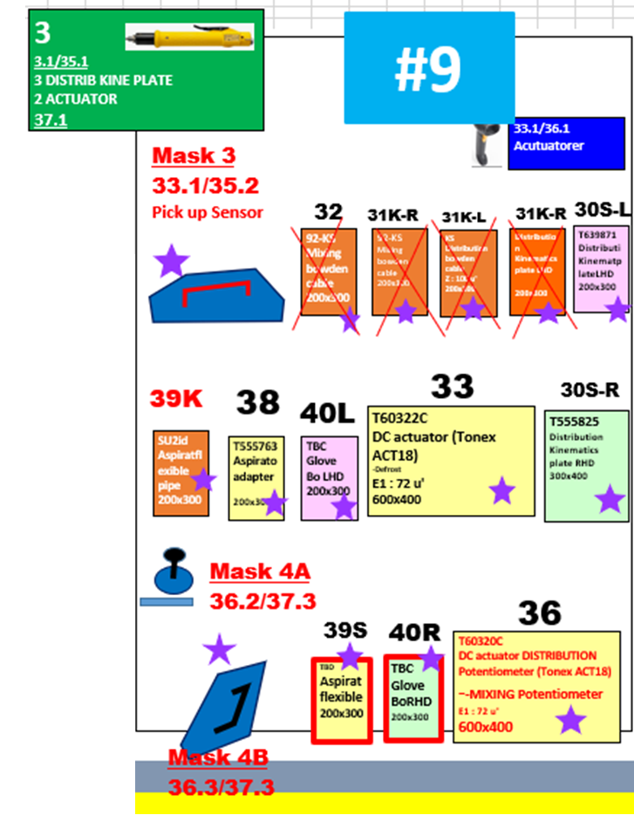
7 | 16 | 12S-R | Mixing actuator lever RHD | T509105 |  | Pick up Component | #6
 | 17 | 12S-L | Mixing actuator lever LHD | T646114 |  | Pick up Component | #7
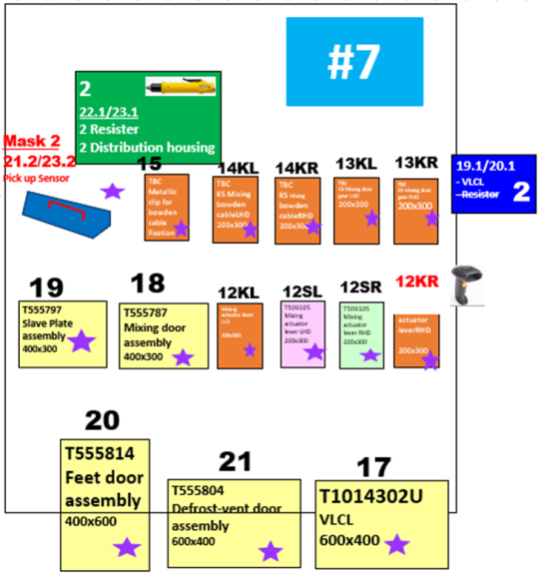
 | 18 | 12K-R | KS Mixing command lever RHD | TBC |  | Pick up Component | #8
 | 19 | 12K-L | KS Mixing command lever LHD | TBC |  | Pick up Component | #9
 | 20 | 13K-R | KS Mixing door gear RHD | TBC |  | Pick up Component | #13
 | 21 | 13K-L | KS Mixing door gear LHD | TBC |  | Pick up Component | #14
 | 22 | 14K-R | KS Mixing bowden cable RHD | TBC |  | Pick up Component | #15
 | 23 | 14K-L | KS Mixing bowden cable LHD | TBC |  | Pick up Component | #16
 | 24 | 15 | Metallic clip for bowden cable fixation | F667086Z | Common | Pick up Component | #17
 | 25 | 17 | VLCL | T1014302U | Common | Pick up Component | #18
 |  |  | Scanner #3 |  |  | Scan on VLCL label Tracability T1014302U |  | #3
 | 26 | 18 | Mixing door assembly | T555787 | Common | Pick up Component | #19
 | 27 | 19 | Slave Plate door assembly | T555797 | Common | Pick up Component | #20
 | 28 | 20 | Feet door assembly | T555814 | Common | Pick up Component | #21
 | 29 | 21 | Defrost-vent door assembly | T555804 | Common | Pick up Component | #22
 | 30 |  | Mask #2 |  |  | Pick up Mask #2 | #23
 | 31 |  | Screw driver #2 |  |  | Tightening screw |  |  | #2 , 5 time
8 | 32 | 24R | Defrost-vent lever RHD | T509046 | RHD | Pick up Component | #24
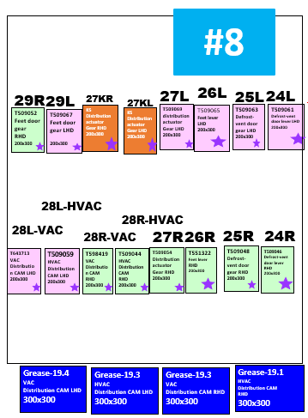
 | 33 | 24L | Defrost-vent lever LHD | T509061 | LHD | Pick up Component | #25
 | 34 | 25R | Defrost-vent door gear RHD | T509048 | RHD | Pick up Component | #26
 | 35 | 25L | Defrost-vent door gear LHD | T509063 | LHD | Pick up Component | #27
 | 36 | 26R | Feet lever RHD | T551322 | RHD | Pick up Component | #28
 | 37 | 26L | Feet lever LHD | T509065 | LHD | Pick up Component | #29
 | 38 | 27S-R | Distribution actuator Gear LHD | T509069 |  | Pick up Component | #30
 | 39 | 27S-L | Distribution actuator Gear RHD | T509054 |  | Pick up Component | #31
 | 40 | 27K-R | KS Distribution actuator Gear RHD | T559873 |  | Pick up Component | #32
 | 41 | 27K-L | KS Distribution actuator Gear LHD | TBC |  | Pick up Component | #33
 | 42 | 28R-HVAC | HVAC Distribution CAM RHD | T509044 | RHD | Pick up Component | #34
 | 43 | 28R-VAC | VAC Distribution CAM RHD | T598419 | RHD | Pick up Component | #35
 | 44 | 28L-HVAC | HVAC Distribution CAM LHD | T509059 | LHD | Pick up Component | #36
 | 45 | 28L-VAC | VAC Distribution CAM LHD | T643713 | LHD | Pick up Component | #37
 |  |  | Fixture Auto Apply grease on Cam gear |  | Change over |  |  |  |  | Start
 |  |  | Fixture Auto Apply grease on Cam gear |  | Change over |  |  |  |  | Done
 | 46 | 29R | Feet door gear RHD | T509052 | RHD | Pick up Component | #38
 | 47 | 29L | Feet door gear LHD | T509067 | LHD | Pick up Component | #39
9 | 48 | 30S-R | Distribution Kinematics plate RHD | T555825 | RHD | Pick up Component | #40
 | 49 | 30S-L | Distribution Kinematics plate LHD | T639871 | LHD | Pick up Component | #41
 | 50 | 30K-R | KS Distribution Kinematics plate RHD | TDB |  | Pick up Component | #42
 | 51 | 30K-L | KS Distribution Kinematics plate LHD | TDB |  | Pick up Component | #43
 | 52 | 31K-R | KS Distribution bowden cable RHD | TBC |  | Pick up Component | #44
 | 53 | 31K-L | KS Distribution bowden cable LHD | TBC |  | Pick up Component | #45
 | 54 | 32 | Metallic clip for bowden cable fixation--> KS | F667086Z | Common | Pick up Component | #46
 | 55 | 33 | DC actuator DISTRIBUTION Potentiometer (Tonex ACT18)T60322C | T60320C | Common | Pick up Component | #47

 | 56 |  | Scanner #4 |  |  | Scan actuator label Tracability T60320C |  | #4
 | 57 |  | Mask #3 |  |  | Pick up Mask #3 | #48
 | 58 |  | Screw driver #3 |  |  | Tightening screw |  |  | #3 , 5 time
 | 59 | 36 | DC actuator MIXING Potentiometer (Tonex ACT18) | T60322C |  | Pick up Component | #49
 | 60 |  | Scanner #4 |  |  | Scan actuator label Tracability T60322C |  | #4
 | 61 |  | Mask #4 |  |  | Pick up Mask #4 | #50
 | 62 |  | Screw driver #3 |  |  | Tightening screw |  |  | #3 , 2 time
 | 63 | 38 | Aspirator adater | T555763 | Common | Pick up Component | #51
 | 64 | 39S | SU2id Aspirator flexible pipe |  |  | Pick up Component | #52
 | 65 | 39K | KS Aspirator flexible pipe |  |  | Pick up Component | #53
 | 66 | 40R | Glove Box cooling channel assy RHD | T594925 | RHD | Pick up Component | #54
 | 67 | 40L | Glove Box cooling channel assy LHD | TBC | LHD | Pick up Component | #55
10 | 68 |  | Mix door checker or Flap test movment |  | Change over | Machine Available |  |  |  | Start
 | 69 |  | Mix door checker or Flap test movment |  | Change over | Machine Done |  |  |  | Done
11 |  |  | Scanner #5 |  |  | Scan heater label |  | #5
 |  |  | Fixture Assy Heater Core Assy |  |  | Machine Available |  |  |  | Start
 |  |  | Fixture Assy Heater Core Assy |  |  | Machine Done |  |  |  | Done

Flow OLD
Flow
Station | Step Test stand |  | Location (Sequence No.) | RHD/LHD | Component / Machine | Man activity | Machine |  |  |  | PLC
 | RHD | LHD |  |  |  |  | Picking | Scanner | Screw | PLC | P/N | Input | Output | ASI No | Port
3 | 1 |  | 2R | RHD | Foam around evaporator core RHD | Pick up | #1
 |  | 1 | 2L | LHD | Foam around evaporator core LHD | Pick up | #2
 |  | 2 |  | Change over | Fixture lining | Put foam on Evaporator foam apply jig |  |  |  | Start
 |  | 3 |  | Change over | Fixture lining | Peal off paper of lining
 |  |  | 3R | RHD | Evaporator KE8 evo 34T H225 RHD assy | Pick up
 |  | 4 | 3L | LHD | Evaporator KE8 evo 34T H225 LHD assy | Pick up
 |  | 5 |  | Change over | Fixture lining | Put Evaporator assembly to the jig and Eva lining
 |  | 6 |  | Change over | Fixture lining | Assembly lining by jig
 |  | 7 | 4 | Change over | Pick up Evaporator sensor | Assy sensor with Evap | #3
 |  | 8 |  | Common | Scanner #1 | Scan Evaporator label |  | #1
 |  | 9 |  | Common | Scanner #1 | Scan Evaporator sensor on packing barcode label |  | #1
 |  | 10 |  | Common | Fixture lining | Push button check result |  |  |  | Done
5 |  | 11 |  | Change over | Lower Scroll housing | Pick up
 |  | 12 |  | Change over | Fixture Scroll Pressing | Put Lower Scroll housing on Fixture
 |  | 13 |  |  | Evaporator | Put Evap on Lower Scroll housing
 |  |  | 5R | RHD | Insulation evap flange Box R-side | Pick up | #4

 |  | 14 | 5L | LHD | Insulation evap flange Box L-side | Pick up | #5
 |  | 15 |  |  | Fixture Scroll Pressing RHD | Assy Insulation |  |  |  | Start
 |  | 16 |  | Change over | Upper Scroll housing | Pick up
 |  | 17 |  | Change over | Fixture Scroll Pressing | Put Upper Scroll housing on Fixture
 |  | 18 |  | Change over | Fixture Scroll Pressing | Push button start to machine auto pressing |  |  |  | Done
 |  | 19 |  | Common | Screw driver #1 | Tightening screw |  |  | #1 , 5 time
6.1 |  | 20 |  | Change over | Distribution Housing | Pick up
 |  | 21 |  | Change over | Pin code , Assy Speed nut , Greasing | Put Distribution Housing on fixture |  |  |  | Start
 |  | 22 |  | Change over | Pin code , Assy Speed nut , Greasing | Machine working |  |  |  | Done
7

